Backtest
 | Euronext Momentum Europe Net | Euronext Europe 500 Net
12/31/2009 | 1000.000 | 1000.000
1/4/2010 | 1020.561 | 1015.753
1/5/2010 | 1021.831 | 1014.981
1/6/2010 | 1024.247 | 1016.011
1/7/2010 | 1025.073 | 1016.750
1/8/2010 | 1026.140 | 1020.525
1/11/2010 | 1021.448 | 1019.796
1/12/2010 | 1007.055 | 1010.906
1/13/2010 | 1012.468 | 1013.383
1/14/2010 | 1021.121 | 1020.268
1/15/2010 | 1012.355 | 1010.220
1/18/2010 | 1021.241 | 1017.437
1/19/2010 | 1028.280 | 1025.705
1/20/2010 | 1009.211 | 1010.413
1/21/2010 | 990.715 | 995.485
1/22/2010 | 980.768 | 984.140
1/25/2010 | 975.808 | 978.617
1/26/2010 | 976.829 | 982.156
1/27/2010 | 969.219 | 974.703
1/28/2010 | 959.967 | 963.818
1/29/2010 | 972.000 | 972.494
2/1/2010 | 980.685 | 980.204
2/2/2010 | 994.289 | 988.686
2/3/2010 | 984.014 | 983.207
2/4/2010 | 949.350 | 957.695
2/5/2010 | 929.759 | 937.277
2/8/2010 | 930.971 | 942.982
2/9/2010 | 937.583 | 944.269
2/10/2010 | 947.651 | 950.413
2/11/2010 | 951.059 | 954.027
2/12/2010 | 943.390 | 951.861
2/15/2010 | 944.659 | 955.100
2/16/2010 | 957.113 | 966.092
2/17/2010 | 972.792 | 979.153
2/18/2010 | 977.824 | 984.611
2/19/2010 | 982.815 | 988.579
2/22/2010 | 982.443 | 986.177
2/23/2010 | 967.440 | 975.518
2/24/2010 | 963.460 | 977.802
2/25/2010 | 946.875 | 961.395
2/26/2010 | 959.046 | 973.030
3/1/2010 | 974.992 | 982.520
3/2/2010 | 984.583 | 990.971
3/3/2010 | 996.404 | 999.442
3/4/2010 | 997.068 | 1000.869
3/5/2010 | 1015.604 | 1017.115
3/8/2010 | 1015.813 | 1016.686
3/9/2010 | 1014.819 | 1015.421
3/10/2010 | 1026.022 | 1022.338
3/11/2010 | 1023.531 | 1019.356
...
Date | Euronext Momentum Europe Price | Euronext Momentum Europe Gross | Euronext Momentum Europe Net | Euronext Europe 500 Net | Euronext Europe 500 Price
2009-12-31 | 1000.000 | 1000.000 | 1000.000 | 1000.000 | 1000.000
2010-01-04 | 1020.561 | 1020.561 | 1020.561 | 1015.753 | 1015.716
2010-01-05 | 1021.831 | 1021.831 | 1021.831 | 1014.981 | 1014.953
2010-01-06 | 1024.204 | 1024.247 | 1024.247 | 1016.011 | 1015.950
2010-01-07 | 1025.031 | 1025.073 | 1025.073 | 1016.750 | 1016.689
2010-01-08 | 1026.098 | 1026.140 | 1026.140 | 1020.525 | 1020.471
2010-01-11 | 1021.406 | 1021.448 | 1021.448 | 1019.796 | 1019.731
2010-01-12 | 1007.014 | 1007.055 | 1007.055 | 1010.906 | 1010.802
2010-01-13 | 1012.426 | 1012.468 | 1012.468 | 1013.383 | 1013.265
2010-01-14 | 1021.079 | 1021.121 | 1021.121 | 1020.268 | 1020.150
2010-01-15 | 1012.314 | 1012.355 | 1012.355 | 1010.220 | 1010.100
2010-01-18 | 1021.200 | 1021.241 | 1021.241 | 1017.437 | 1017.317
2010-01-19 | 1028.238 | 1028.280 | 1028.280 | 1025.705 | 1025.594
2010-01-20 | 1009.169 | 1009.211 | 1009.211 | 1010.413 | 1010.161
2010-01-21 | 990.674 | 990.715 | 990.715 | 995.485 | 995.233
2010-01-22 | 980.647 | 980.797 | 980.768 | 984.140 | 983.877
2010-01-25 | 975.687 | 975.836 | 975.808 | 978.617 | 978.359
2010-01-26 | 976.709 | 976.858 | 976.829 | 982.156 | 981.882
2010-01-27 | 969.099 | 969.247 | 969.219 | 974.703 | 974.172
2010-01-28 | 959.848 | 959.995 | 959.967 | 963.818 | 963.296
2010-01-29 | 971.880 | 972.028 | 972.000 | 972.494 | 971.967
2010-02-01 | 980.128 | 980.810 | 980.685 | 980.204 | 979.505
2010-02-02 | 993.724 | 994.416 | 994.289 | 988.686 | 987.979
2010-02-03 | 983.446 | 984.139 | 984.014 | 983.207 | 982.153
2010-02-04 | 948.803 | 949.471 | 949.350 | 957.695 | 956.670
2010-02-05 | 929.223 | 929.878 | 929.759 | 937.277 | 936.285
2010-02-08 | 930.434 | 931.089 | 930.971 | 942.982 | 941.976
2010-02-09 | 937.043 | 937.703 | 937.583 | 944.269 | 943.257
2010-02-10 | 947.105 | 947.772 | 947.651 | 950.413 | 948.898
2010-02-11 | 950.511 | 951.180 | 951.059 | 954.027 | 952.494
2010-02-12 | 942.846 | 943.510 | 943.390 | 951.861 | 950.339
2010-02-15 | 944.115 | 944.779 | 944.659 | 955.100 | 953.566
2010-02-16 | 956.561 | 957.234 | 957.113 | 966.092 | 964.540
2010-02-17 | 972.202 | 972.916 | 972.792 | 979.153 | 977.128
2010-02-18 | 977.231 | 977.948 | 977.824 | 984.611 | 982.572
2010-02-19 | 982.219 | 982.940 | 982.815 | 988.579 | 986.513
2010-02-22 | 981.847 | 982.568 | 982.443 | 986.177 | 984.111
2010-02-23 | 966.853 | 967.563 | 967.440 | 975.518 | 973.470
2010-02-24 | 962.829 | 963.583 | 963.460 | 977.802 | 975.514
2010-02-25 | 946.255 | 946.996 | 946.875 | 961.395 | 959.145
2010-02-26 | 958.418 | 959.168 | 959.046 | 973.030 | 970.760
2010-03-01 | 974.353 | 975.116 | 974.992 | 982.520 | 980.232
2010-03-02 | 983.827 | 984.752 | 984.583 | 990.971 | 988.176
2010-03-03 | 995.638 | 996.574 | 996.404 | 999.442 | 996.317
2010-03-04 | 996.303 | 997.239 | 997.068 | 1000.869 | 997.364
2010-03-05 | 1014.824 | 1015.778 | 1015.604 | 1017.115 | 1013.524
2010-03-08 | 1015.033 | 1015.987 | 1015.813 | 1016.686 | 1013.093
2010-03-09 | 1014.039 | 1014.992 | 1014.819 | 1015.421 | 1011.836
2010-03-10 | 1024.518 | 1026.197 | 1026.022 | 1022.338 | 1018.180
2010-03-11 | 1021.945 | 1023.739 | 1023.531 | 1019.356 | 1015.211
2010-03-12 | 1026.170 | 1027.971 | 1027.762 | 1022.509 | 1018.352
2010-03-15 | 1015.461 | 1017.486 | 1017.279 | 1015.399 | 1011.270
2010-03-16 | 1027.283 | 1029.331 | 1029.121 | 1025.490 | 1021.320
2010-03-17 | 1038.508 | 1040.578 | 1040.367 | 1035.571 | 1030.903
2010-03-18 | 1035.742 | 1037.807 | 1037.596 | 1035.324 | 1030.656
2010-03-19 | 1029.180 | 1031.232 | 1031.022 | 1030.531 | 1025.890
2010-03-22 | 1033.283 | 1035.343 | 1035.132 | 1029.866 | 1025.225
2010-03-23 | 1045.847 | 1047.932 | 1047.719 | 1037.469 | 1032.763
2010-03-24 | 1048.278 | 1050.368 | 1050.154 | 1037.780 | 1032.935
2010-03-25 | 1056.552 | 1058.658 | 1058.442 | 1048.310 | 1043.330
2010-03-26 | 1052.988 | 1055.214 | 1054.980 | 1043.410 | 1038.293
2010-03-29 | 1054.365 | 1056.624 | 1056.385 | 1045.522 | 1040.227
2010-03-30 | 1052.293 | 1054.592 | 1054.343 | 1044.611 | 1039.315
2010-03-31 | 1053.767 | 1056.266 | 1055.962 | 1044.965 | 1039.586
2010-04-01 | 1071.953 | 1074.496 | 1074.186 | 1058.187 | 1052.396
2010-04-06 | 1082.838 | 1085.665 | 1085.313 | 1068.192 | 1062.298
2010-04-07 | 1077.616 | 1080.429 | 1080.079 | 1065.415 | 1059.355
2010-04-08 | 1066.101 | 1068.883 | 1068.537 | 1056.332 | 1050.252
2010-04-09 | 1081.077 | 1084.183 | 1083.756 | 1069.661 | 1063.358
2010-04-12 | 1075.403 | 1078.644 | 1078.196 | 1068.342 | 1061.892
2010-04-13 | 1069.545 | 1072.768 | 1072.323 | 1065.447 | 1058.973
2010-04-14 | 1076.191 | 1079.847 | 1079.293 | 1072.482 | 1065.624
2010-04-15 | 1082.967 | 1086.646 | 1086.089 | 1079.774 | 1072.595
2010-04-16 | 1065.102 | 1068.970 | 1068.351 | 1063.624 | 1056.460
2010-04-19 | 1055.230 | 1060.662 | 1059.498 | 1057.490 | 1049.723
2010-04-20 | 1071.738 | 1077.384 | 1076.168 | 1072.214 | 1064.294
2010-04-21 | 1067.866 | 1073.750 | 1072.537 | 1065.286 | 1057.224
2010-04-22 | 1061.198 | 1067.244 | 1065.976 | 1053.415 | 1045.326
2010-04-23 | 1074.366 | 1080.542 | 1079.243 | 1062.552 | 1054.009
2010-04-26 | 1090.177 | 1096.627 | 1095.281 | 1072.589 | 1063.936
2010-04-27 | 1056.224 | 1062.799 | 1061.397 | 1041.040 | 1032.405
2010-04-28 | 1038.851 | 1046.304 | 1044.729 | 1028.493 | 1019.534
2010-04-29 | 1056.821 | 1064.465 | 1062.854 | 1042.144 | 1032.676
2010-04-30 | 1046.096 | 1055.144 | 1053.157 | 1034.327 | 1024.363
2010-05-03 | 1049.950 | 1059.916 | 1057.766 | 1036.160 | 1025.471
2010-05-04 | 1018.647 | 1028.577 | 1026.407 | 1009.919 | 998.559
2010-05-05 | 1009.425 | 1019.762 | 1017.490 | 1000.375 | 988.274
2010-05-06 | 1001.816 | 1012.279 | 1009.970 | 985.255 | 972.718
2010-05-07 | 963.358 | 973.419 | 971.198 | 949.834 | 936.840
2010-05-10 | 1034.054 | 1044.972 | 1042.571 | 1014.198 | 1000.222
2010-05-11 | 1031.584 | 1042.476 | 1040.080 | 1013.555 | 999.039
2010-05-12 | 1052.639 | 1064.171 | 1061.677 | 1028.246 | 1013.167
2010-05-13 | 1059.847 | 1071.514 | 1068.989 | 1029.254 | 1014.127
2010-05-14 | 1025.012 | 1036.295 | 1033.853 | 996.139 | 981.328
2010-05-17 | 1023.120 | 1034.567 | 1032.069 | 994.595 | 979.751
2010-05-18 | 1036.367 | 1048.088 | 1045.519 | 1008.021 | 992.930
2010-05-19 | 997.196 | 1008.499 | 1006.021 | 977.727 | 962.520
2010-05-20 | 966.181 | 978.101 | 975.452 | 956.783 | 941.286
2010-05-21 | 964.493 | 976.392 | 973.747 | 952.054 | 936.569
2010-05-24 | 972.741 | 985.073 | 982.317 | 955.293 | 938.995
2010-05-25 | 944.639 | 956.814 | 954.088 | 932.515 | 916.578
2010-05-26 | 979.865 | 992.533 | 989.697 | 954.971 | 938.552
2010-05-27 | 1008.133 | 1021.166 | 1018.248 | 983.496 | 966.141
2010-05-28 | 1003.647 | 1016.622 | 1013.717 | 982.445 | 964.959
2010-05-31 | 1009.172 | 1022.300 | 1019.361 | 982.767 | 965.156
2010-06-01 | 1010.260 | 1023.471 | 1020.519 | 986.756 | 968.986
2010-06-02 | 1014.195 | 1027.458 | 1024.494 | 989.770 | 970.267
2010-06-03 | 1030.245 | 1043.718 | 1040.707 | 1003.399 | 983.619
2010-06-04 | 1013.543 | 1026.797 | 1023.835 | 985.223 | 965.796
2010-06-07 | 1007.165 | 1020.569 | 1017.567 | 978.134 | 958.813
2010-06-08 | 999.446 | 1012.747 | 1009.768 | 969.309 | 950.154
2010-06-09 | 1026.159 | 1039.906 | 1036.823 | 986.745 | 967.040
2010-06-10 | 1047.649 | 1061.842 | 1058.654 | 1002.198 | 982.128
2010-06-11 | 1046.022 | 1060.193 | 1057.010 | 1005.962 | 985.811
2010-06-14 | 1063.540 | 1077.948 | 1074.713 | 1017.448 | 996.699
2010-06-15 | 1067.460 | 1082.082 | 1078.834 | 1024.364 | 1003.473
2010-06-16 | 1068.047 | 1082.677 | 1079.427 | 1026.509 | 1005.481
2010-06-17 | 1066.462 | 1081.137 | 1077.868 | 1028.343 | 1007.279
2010-06-18 | 1069.854 | 1084.576 | 1081.297 | 1030.874 | 1009.755
2010-06-21 | 1083.290 | 1098.197 | 1094.876 | 1041.351 | 1019.793
...

Biais_Country
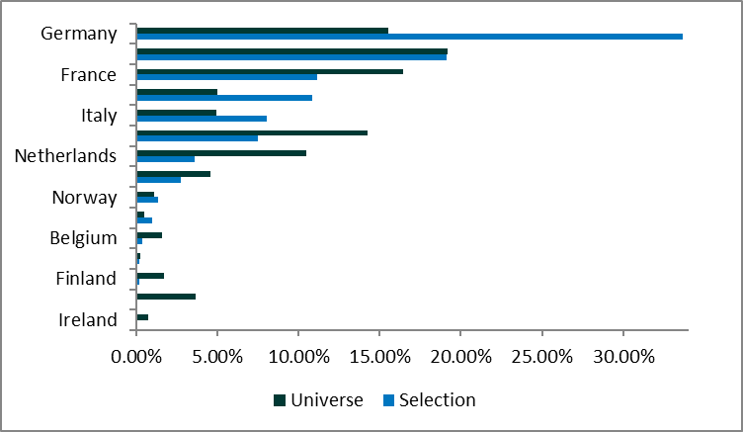
Country | Weight Selection | Weight Universe
Germany | 33.66% | 15.55%
UK | 19.14% | 19.18%
France | 11.16% | 16.47%
Spain | 10.86% | 4.98%
Italy | 8.04% | 4.94%
Switzerland | 7.51% | 14.23%
Netherlands | 3.63% | 10.47%
Sweden | 2.77% | 4.59%
Norway | 1.36% | 1.11%
Austria | 1.01% | 0.49%
Belgium | 0.36% | 1.63%
Portugal | 0.21% | 0.27%
Finland | 0.19% | 1.70%
Denmark | 0.09% | 3.68%
Ireland | 0.00% | 0.72%

Biais_Industry
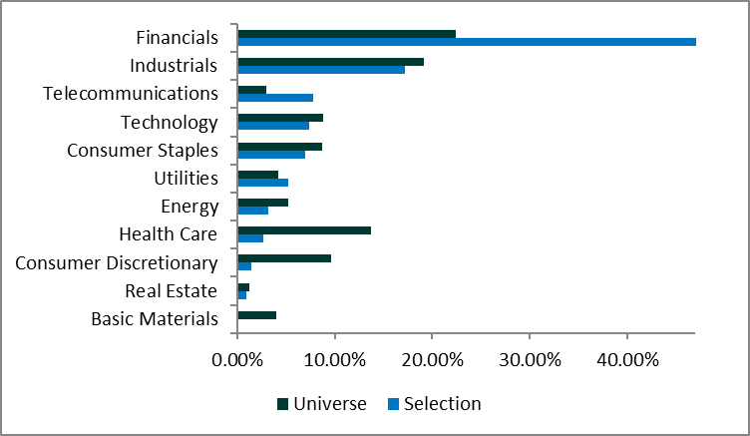
Industry Name | Weight Selection | Weight Universe
Financials | 47.12% | 22.39%
Industrials | 17.24% | 19.11%
Telecommunications | 7.80% | 2.93%
Technology | 7.35% | 8.86%
Consumer Staples | 6.96% | 8.73%
Utilities | 5.18% | 4.21%
Energy | 3.20% | 5.23%
Health Care | 2.72% | 13.68%
Consumer Discretionary | 1.48% | 9.58%
Real Estate | 0.95% | 1.24%
Basic Materials | 0.00% | 4.04%

